sheet1
 | Dates
10/3/2006
11/7/2006 | 2%
12/5/2006 | 2%
2/6/2007 | 2%
3/6/2007 | 1%
4/3/2007 | 3%
5/1/2007 | 1%
6/5/2007 | 1%
7/3/2007 | 0%
8/7/2007 | 0%
9/4/2007 | 2%
10/2/2007 | 2%
11/6/2007 | 2%
12/4/2007 | 0%
2/5/2008 | 2%
3/4/2008 | 1%
4/1/2008 | 0%
5/6/2008 | 2%
6/3/2008 | 2%
7/1/2008 | 1%
8/5/2008 | 4%
9/2/2008 | 5%
10/7/2008 | 2%
11/4/2008 | 5%
12/2/2008 | 4%
2/3/2009 | 3%
3/3/2009 | 3%
4/7/2009 | 3%
5/5/2009 | 2%
6/2/2009 | 1%
7/7/2009 | 1%
8/4/2009 | -1%
9/1/2009 | -1%
10/6/2009 | 0%
11/3/2009 | 1%
12/1/2009 | 0%
2/2/2010 | 0%
3/2/2010 | 1%
4/6/2010 | 0%
5/4/2010 | -1%
6/1/2010 | 0%
7/6/2010 | 2%
8/3/2010 | 1%
9/7/2010 | 0%
10/5/2010 | 0%
11/2/2010 | 1%
12/7/2010 | 0%
2/1/2011 | 0%
3/1/2011 | 0%
4/5/2011 | 1%
...
Dates | Number of negative words | Number of positive words | Net negativity count | Total token count | Net negativity score |  | Inverted | Glen Stevens | Phillip Lowe
2006-10-03 | 73 | 46 | 27 | 1687 | 0.015995260664 | 2% | -2% | 1 | 0
2006-11-07 | 84 | 50 | 34 | 1983 | 0.017137096774 | 2% | -2% | 1 | 0 |  | Comparable to
2006-12-05 | 78 | 40 | 38 | 1555 | 0.02442159383 | 2% | -2% | 1 | 0
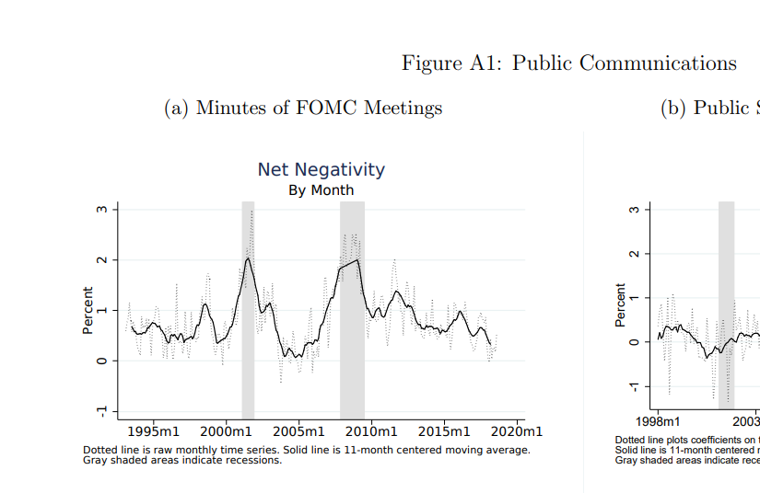
2007-02-06 | 74 | 51 | 23 | 1602 | 0.014348097318 | 1% | -1% | 1 | 0
2007-03-06 | 77 | 39 | 38 | 1459 | 0.02602739726 | 3% | -3% | 1 | 0
2007-04-03 | 57 | 48 | 9 | 1330 | 0.0067618332081 | 1% | -1% | 1 | 0
2007-05-01 | 61 | 41 | 20 | 1505 | 0.013280212483 | 1% | -1% | 1 | 0
2007-06-05 | 47 | 50 | -3 | 1466 | -0.0020449897751 | 0% | 0% | 1 | 0
2007-07-03 | 67 | 61 | 6 | 1800 | 0.0033314825097 | 0% | 0% | 1 | 0
2007-08-07 | 80 | 50 | 30 | 1648 | 0.018192844148 | 2% | -2% | 1 | 0
2007-09-04 | 85 | 55 | 30 | 1887 | 0.015889830508 | 2% | -2% | 1 | 0
2007-10-02 | 76 | 51 | 25 | 1662 | 0.01503307276 | 2% | -2% | 1 | 0
2007-11-06 | 54 | 47 | 7 | 1620 | 0.0043183220234 | 0% | 0% | 1 | 0
2007-12-04 | 65 | 38 | 27 | 1447 | 0.01864640884 | 2% | -2% | 1 | 0
2008-02-05 | 74 | 53 | 21 | 1886 | 0.011128775835 | 1% | -1% | 1 | 0
2008-03-04 | 53 | 46 | 7 | 1539 | 0.0045454545455 | 0% | 0% | 1 | 0
2008-04-01 | 59 | 35 | 24 | 1560 | 0.015374759769 | 2% | -2% | 1 | 0
2008-05-06 | 63 | 30 | 33 | 1430 | 0.023060796646 | 2% | -2% | 1 | 0
2008-06-03 | 57 | 41 | 16 | 1406 | 0.011371712864 | 1% | -1% | 1 | 0
2008-07-01 | 82 | 27 | 55 | 1469 | 0.037414965986 | 4% | -4% | 1 | 0
2008-08-05 | 89 | 25 | 64 | 1327 | 0.048192771084 | 5% | -5% | 1 | 0
2008-09-02 | 76 | 35 | 41 | 1673 | 0.02449223417 | 2% | -2% | 1 | 0
2008-10-07 | 125 | 31 | 94 | 1869 | 0.050267379679 | 5% | -5% | 1 | 0
2008-11-04 | 90 | 21 | 69 | 1767 | 0.039027149321 | 4% | -4% | 1 | 0
2008-12-02 | 58 | 15 | 43 | 1599 | 0.026875 | 3% | -3% | 1 | 0
2009-02-03 | 93 | 35 | 58 | 1717 | 0.033760186263 | 3% | -3% | 1 | 0
2009-03-03 | 76 | 29 | 47 | 1586 | 0.029615626969 | 3% | -3% | 1 | 0
2009-04-07 | 60 | 34 | 26 | 1298 | 0.020015396459 | 2% | -2% | 1 | 0
2009-05-05 | 71 | 56 | 15 | 1562 | 0.0095969289827 | 1% | -1% | 1 | 0
2009-06-02 | 63 | 45 | 18 | 1469 | 0.012244897959 | 1% | -1% | 1 | 0
2009-07-07 | 41 | 55 | -14 | 1378 | -0.010152284264 | -1% | 1% | 1 | 0
2009-08-04 | 47 | 61 | -14 | 1202 | -0.011637572735 | -1% | 1% | 1 | 0
2009-09-01 | 49 | 56 | -7 | 1460 | -0.0047912388775 | 0% | 0% | 1 | 0
2009-10-06 | 61 | 51 | 10 | 1542 | 0.0064808813999 | 1% | -1% | 1 | 0
2009-11-03 | 42 | 42 | 0 | 1216 | 0 | 0% | 0% | 1 | 0
2009-12-01 | 48 | 51 | -3 | 1383 | -0.0021676300578 | 0% | 0% | 1 | 0
2010-02-02 | 54 | 45 | 9 | 1379 | 0.0065217391304 | 1% | -1% | 1 | 0
2010-03-02 | 49 | 47 | 2 | 1452 | 0.0013764624914 | 0% | 0% | 1 | 0
2010-04-06 | 18 | 27 | -9 | 910 | -0.0098792535675 | -1% | 1% | 1 | 0
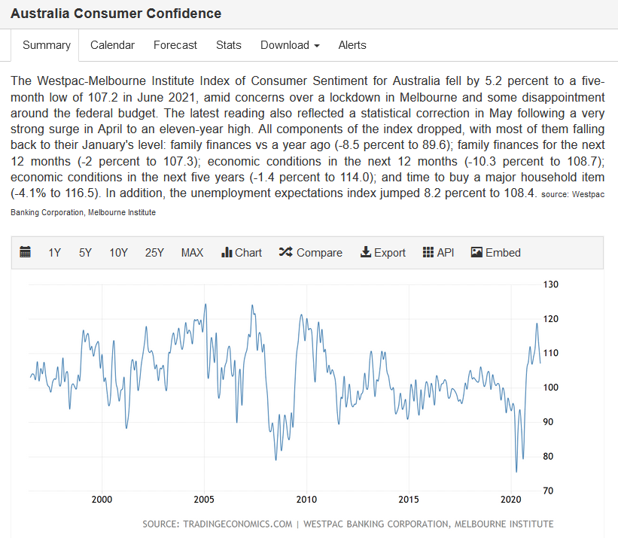
2010-05-04 | 59 | 53 | 6 | 1331 | 0.0045045045045 | 0% | 0% | 1 | 0
2010-06-01 | 59 | 36 | 23 | 1353 | 0.016986706056 | 2% | -2% | 1 | 0
2010-07-06 | 51 | 33 | 18 | 1412 | 0.012738853503 | 1% | -1% | 1 | 0
2010-08-03 | 55 | 49 | 6 | 1584 | 0.003785488959 | 0% | 0% | 1 | 0 | https://tradingeconomics.com/australia/consumer-confidence
2010-09-07 | 52 | 58 | -6 | 1520 | -0.0039447731755 | 0% | 0% | 1 | 0
2010-10-05 | 56 | 46 | 10 | 1462 | 0.0068352699932 | 1% | -1% | 1 | 0
2010-11-02 | 52 | 51 | 1 | 1616 | 0.00061842918986 | 0% | 0% | 1 | 0
2010-12-07 | 27 | 32 | -5 | 1204 | -0.0041493775934 | 0% | 0% | 1 | 0
2011-02-01 | 50 | 49 | 1 | 1557 | 0.00064184852375 | 0% | 0% | 1 | 0
2011-03-01 | 51 | 44 | 7 | 1372 | 0.0050983248361 | 1% | -1% | 1 | 0
2011-04-05 | 49 | 45 | 4 | 1156 | 0.0034572169404 | 0% | 0% | 1 | 0
2011-05-03 | 48 | 45 | 3 | 1501 | 0.0019973368842 | 0% | 0% | 1 | 0
2011-06-07 | 54 | 33 | 21 | 1297 | 0.016178736518 | 2% | -2% | 1 | 0
2011-07-05 | 65 | 45 | 20 | 1301 | 0.015360983103 | 2% | -2% | 1 | 0
2011-08-02 | 71 | 42 | 29 | 1632 | 0.017758726271 | 2% | -2% | 1 | 0
2011-09-06 | 111 | 75 | 36 | 1875 | 0.019189765458 | 2% | -2% | 1 | 0
2011-10-04 | 67 | 42 | 25 | 1619 | 0.015432098765 | 2% | -2% | 1 | 0
2011-11-01 | 60 | 54 | 6 | 1687 | 0.0035545023697 | 0% | 0% | 1 | 0
2011-12-06 | 66 | 40 | 26 | 1422 | 0.018271257906 | 2% | -2% | 1 | 0
2012-02-07 | 53 | 53 | 0 | 1531 | 0 | 0% | 0% | 1 | 0
2012-03-06 | 77 | 53 | 24 | 1415 | 0.016949152542 | 2% | -2% | 1 | 0
2012-04-03 | 66 | 45 | 21 | 1308 | 0.016042780749 | 2% | -2% | 1 | 0
2012-05-01 | 69 | 38 | 31 | 1403 | 0.02207977208 | 2% | -2% | 1 | 0
2012-06-05 | 64 | 19 | 45 | 1286 | 0.034965034965 | 3% | -3% | 1 | 0
2012-07-03 | 47 | 33 | 14 | 1178 | 0.01187446989 | 1% | -1% | 1 | 0
2012-08-07 | 80 | 42 | 38 | 1612 | 0.023558586485 | 2% | -2% | 1 | 0
2012-09-04 | 78 | 44 | 34 | 1554 | 0.021864951768 | 2% | -2% | 1 | 0
2012-10-02 | 53 | 34 | 19 | 1260 | 0.01506740682 | 2% | -2% | 1 | 0
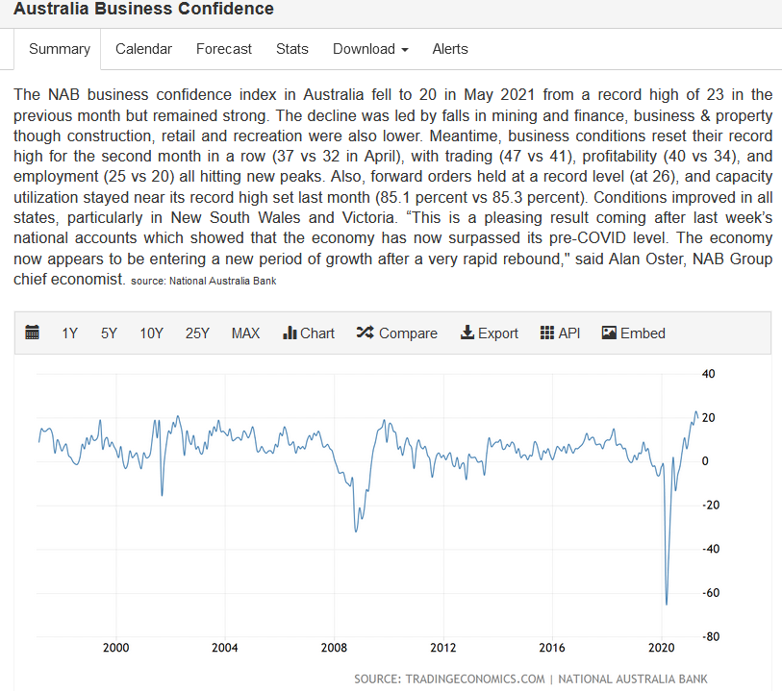
2012-11-06 | 36 | 36 | 0 | 1174 | 0 | 0% | 0% | 1 | 0
2012-12-04 | 35 | 22 | 13 | 885 | 0.01467268623 | 1% | -1% | 1 | 0
2013-02-05 | 46 | 48 | -2 | 1436 | -0.0013917884482 | 0% | 0% | 1 | 0
2013-03-05 | 40 | 42 | -2 | 1330 | -0.0015026296018 | 0% | 0% | 1 | 0
2013-04-02 | 39 | 36 | 3 | 1125 | 0.0026642984014 | 0% | 0% | 1 | 0
2013-05-07 | 39 | 41 | -2 | 1420 | -0.0014074595355 | 0% | 0% | 1 | 0
2013-06-04 | 45 | 30 | 15 | 1225 | 0.012234910277 | 1% | -1% | 1 | 0
2013-07-02 | 49 | 27 | 22 | 1168 | 0.018819503849 | 2% | -2% | 1 | 0
2013-08-06 | 43 | 27 | 16 | 1237 | 0.012924071082 | 1% | -1% | 1 | 0
2013-09-03 | 48 | 45 | 3 | 1380 | 0.0021723388849 | 0% | 0% | 1 | 0
2013-10-01 | 25 | 34 | -9 | 1046 | -0.0085959885387 | -1% | 1% | 1 | 0
2013-11-05 | 46 | 34 | 12 | 1300 | 0.0092236740968 | 1% | -1% | 1 | 0
2013-12-03 | 29 | 34 | -5 | 1186 | -0.0042122999158 | 0% | 0% | 1 | 0
2014-02-04 | 31 | 41 | -10 | 1374 | -0.0072727272727 | -1% | 1% | 1 | 0
2014-03-04 | 62 | 44 | 18 | 1388 | 0.012958963283 | 1% | -1% | 1 | 0
2014-04-01 | 40 | 34 | 6 | 1197 | 0.0050083472454 | 1% | -1% | 1 | 0
2014-05-06 | 39 | 31 | 8 | 1292 | 0.0061871616396 | 1% | -1% | 1 | 0
2014-06-03 | 44 | 34 | 10 | 1157 | 0.0086355785838 | 1% | -1% | 1 | 0
2014-07-01 | 54 | 32 | 22 | 1322 | 0.016628873772 | 2% | -2% | 1 | 0
2014-08-05 | 58 | 42 | 16 | 1425 | 0.011220196353 | 1% | -1% | 1 | 0
2014-09-02 | 52 | 41 | 11 | 1265 | 0.0086887835703 | 1% | -1% | 1 | 0
2014-10-07 | 42 | 25 | 17 | 1162 | 0.014617368874 | 1% | -1% | 1 | 0
2014-11-04 | 53 | 32 | 21 | 1460 | 0.014373716632 | 1% | -1% | 1 | 0
2014-12-02 | 38 | 19 | 19 | 1189 | 0.015966386555 | 2% | -2% | 1 | 0
2015-02-03 | 50 | 33 | 17 | 1729 | 0.0098265895954 | 1% | -1% | 1 | 0
2015-03-03 | 32 | 32 | 0 | 1569 | 0 | 0% | 0% | 1 | 0
2015-04-07 | 48 | 27 | 21 | 1503 | 0.013962765957 | 1% | -1% | 1 | 0
2015-05-05 | 57 | 34 | 23 | 1625 | 0.014145141451 | 1% | -1% | 1 | 0
2015-06-02 | 43 | 31 | 12 | 1370 | 0.0087527352298 | 1% | -1% | 1 | 0
2015-07-07 | 49 | 50 | -1 | 1621 | -0.00061652281134 | 0% | 0% | 1 | 0
2015-08-04 | 41 | 42 | -1 | 1633 | -0.00061199510404 | 0% | 0% | 1 | 0
2015-09-01 | 52 | 30 | 22 | 1514 | 0.014521452145 | 1% | -1% | 1 | 0
2015-10-06 | 58 | 50 | 8 | 1601 | 0.0049937578027 | 0% | 0% | 1 | 0
2015-11-03 | 60 | 29 | 31 | 1763 | 0.017573696145 | 2% | -2% | 1 | 0
2015-12-01 | 47 | 29 | 18 | 1322 | 0.013605442177 | 1% | -1% | 1 | 0
2016-02-02 | 75 | 44 | 31 | 1826 | 0.016967706623 | 2% | -2% | 1 | 0
2016-03-01 | 73 | 30 | 43 | 1547 | 0.027777777778 | 3% | -3% | 1 | 0
2016-04-05 | 60 | 49 | 11 | 1783 | 0.0061659192825 | 1% | -1% | 1 | 0
2016-05-03 | 60 | 46 | 14 | 1674 | 0.0083582089552 | 1% | -1% | 1 | 0
2016-06-07 | 63 | 38 | 25 | 1611 | 0.015508684864 | 2% | -2% | 1 | 0
2016-07-05 | 52 | 29 | 23 | 1523 | 0.015091863517 | 2% | -2% | 1 | 0
2016-08-02 | 68 | 39 | 29 | 1831 | 0.015829694323 | 2% | -2% | 1 | 0
2016-09-06 | 56 | 36 | 20 | 1700 | 0.011757789536 | 1% | -1% | 1 | 0
2016-10-04 | 60 | 54 | 6 | 1858 | 0.0032275416891 | 0% | 0% | 0 | 1
2016-11-01 | 45 | 41 | 4 | 1760 | 0.0022714366837 | 0% | 0% | 0 | 1
2016-12-06 | 37 | 39 | -2 | 1466 | -0.0013633265167 | 0% | 0% | 0 | 1
2017-02-07 | 50 | 53 | -3 | 1692 | -0.0017720023627 | 0% | 0% | 0 | 1
2017-03-07 | 37 | 49 | -12 | 1640 | -0.0073126142596 | -1% | 1% | 0 | 1
2017-04-04 | 69 | 71 | -2 | 2030 | -0.00098473658296 | 0% | 0% | 0 | 1
2017-05-02 | 34 | 45 | -11 | 1898 | -0.0057925223802 | -1% | 1% | 0 | 1
2017-06-06 | 63 | 52 | 11 | 1755 | 0.0062642369021 | 1% | -1% | 0 | 1
2017-07-04 | 45 | 59 | -14 | 1700 | -0.0082304526749 | -1% | 1% | 0 | 1
2017-08-01 | 58 | 59 | -1 | 1895 | -0.00052742616034 | 0% | 0% | 0 | 1
2017-09-05 | 40 | 64 | -24 | 1650 | -0.014536644458 | -1% | 1% | 0 | 1
2017-10-03 | 59 | 54 | 5 | 1934 | 0.0025839793282 | 0% | 0% | 0 | 1
2017-11-07 | 60 | 64 | -4 | 2002 | -0.0019970044933 | 0% | 0% | 0 | 1
2017-12-05 | 45 | 58 | -13 | 1639 | -0.0079268292683 | -1% | 1% | 0 | 1
2018-02-06 | 63 | 82 | -19 | 2034 | -0.0093366093366 | -1% | 1% | 0 | 1
2018-03-06 | 40 | 48 | -8 | 1628 | -0.0049109883364 | 0% | 0% | 0 | 1
2018-04-03 | 73 | 79 | -6 | 2134 | -0.0028103044496 | 0% | 0% | 0 | 1
2018-05-01 | 53 | 65 | -12 | 1994 | -0.006015037594 | -1% | 1% | 0 | 1
2018-06-05 | 80 | 68 | 12 | 2143 | 0.0055970149254 | 1% | -1% | 0 | 1
2018-07-03 | 73 | 83 | -10 | 2365 | -0.0042265426881 | 0% | 0% | 0 | 1
2018-08-07 | 59 | 62 | -3 | 2138 | -0.0014025245442 | 0% | 0% | 0 | 1
2018-09-04 | 65 | 64 | 1 | 1926 | 0.00051894135963 | 0% | 0% | 0 | 1
2018-10-02 | 87 | 89 | -2 | 2545 | -0.00078554595444 | 0% | 0% | 0 | 1
2018-11-06 | 93 | 80 | 13 | 2306 | 0.0056350238405 | 1% | -1% | 0 | 1
2018-12-04 | 75 | 50 | 25 | 1989 | 0.01256281407 | 1% | -1% | 0 | 1
2019-02-05 | 124 | 61 | 63 | 2596 | 0.024258760108 | 2% | -2% | 0 | 1
2019-03-05 | 120 | 54 | 66 | 2464 | 0.02677484787 | 3% | -3% | 0 | 1
2019-04-02 | 122 | 61 | 61 | 2433 | 0.025061626952 | 3% | -3% | 0 | 1
2019-05-07 | 85 | 47 | 38 | 2086 | 0.018207954001 | 2% | -2% | 0 | 1
2019-06-04 | 77 | 47 | 30 | 2131 | 0.014071294559 | 1% | -1% | 0 | 1
2019-07-02 | 84 | 63 | 21 | 2065 | 0.010164569216 | 1% | -1% | 0 | 1
2019-08-06 | 79 | 60 | 19 | 2051 | 0.0092592592593 | 1% | -1% | 0 | 1
2019-09-03 | 78 | 35 | 43 | 1571 | 0.027353689567 | 3% | -3% | 0 | 1
2019-10-01 | 108 | 70 | 38 | 2226 | 0.017063313875 | 2% | -2% | 0 | 1
2019-11-05 | 97 | 66 | 31 | 2150 | 0.014411901441 | 1% | -1% | 0 | 1
2019-12-03 | 77 | 47 | 30 | 1652 | 0.018148820327 | 2% | -2% | 0 | 1
2020-02-04 | 71 | 39 | 32 | 1803 | 0.017738359202 | 2% | -2% | 0 | 1
2020-03-03 | 90 | 36 | 54 | 1628 | 0.033149171271 | 3% | -3% | 0 | 1
2020-03-18 | 43 | 30 | 13 | 1482 | 0.0087660148348 | 1% | -1% | 0 | 1
2020-04-07 | 95 | 44 | 51 | 2250 | 0.022656597068 | 2% | -2% | 0 | 1
2020-05-05 | 142 | 57 | 85 | 2558 | 0.033216100039 | 3% | -3% | 0 | 1
2020-06-02 | 106 | 39 | 67 | 1879 | 0.035638297872 | 4% | -4% | 0 | 1
2020-07-07 | 96 | 35 | 61 | 1787 | 0.034116331096 | 3% | -3% | 0 | 1
2020-08-04 | 122 | 60 | 62 | 2407 | 0.025747508306 | 3% | -3% | 0 | 1
2020-09-01 | 83 | 51 | 32 | 1896 | 0.016868740116 | 2% | -2% | 0 | 1
2020-10-06 | 80 | 70 | 10 | 2178 | 0.004589261129 | 0% | 0% | 0 | 1
2020-11-03 | 62 | 87 | -25 | 2211 | -0.01130198915 | -1% | 1% | 0 | 1
2020-12-01 | 54 | 49 | 5 | 1760 | 0.0028392958546 | 0% | 0% | 0 | 1
2021-02-02 | 40 | 82 | -42 | 2183 | -0.019230769231 | -2% | 2% | 0 | 1
2021-03-02 | 55 | 69 | -14 | 2121 | -0.0065975494816 | -1% | 1% | 0 | 1

